Sheet1
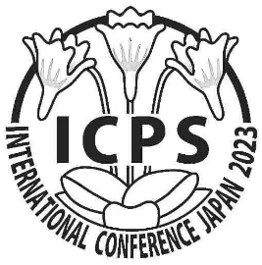 13th ICPS Conference Himeji, Japan Registration Form
Full Name
Address
Country
E-mail

Item |  | Check | Participation Fee | Date | Remark
International Conference |  |  | JPY 12,000 | May 26 - May 28
Conference Banquet |  |  | JPY 8,000 | May 26
Excursion to 2 Botanical Gardens |  |  | JPY 4,800 | May 29
Field Trip to Local Habitats around Himeji |  |  | JPY 4,000 | May 30
Field Trip to P. ramosa Habitat |  |  | JPY 2,000 | May 31
Total Fee |  |  | JPY -
Please pay the total amount in Japanese Yen by PayPal. Account: YFA12853@nifty.com

Will you give a presentation? | Check
Oral Presentation |  | Please see the instructions shown on the conference web page. Presenter is exempt from the conference fee (JPY12,000).
Poster Presentation

If you have any dietary restriction, please specify the foods you need to avoid. =>

Accommodation
Himeji (May 25 -- ) | Please write name of the hotel you are going to book or have booked in the right column.
 | Please book a hotel from the recommended hotel list (click the link shown on the conference web page) and pay by yourself.
Kitasenju, Tokyo (May 30) for the members of the field trip to P. ramosa habitat on May 31 | Please book at Urbain Tokyo Ueno Kitasenju (4-20-10 Senju, Adachi-ku, Tokyo) through the website shown in the right column or major hotel booking sites. We will take a Tobu express train leaving at 7:43. |  |  |  | https://hpdsp.jp/tuk/en

Any Question? We will provide information on transportation, local tourist sites, etc. upon request.

Please send the filled form to kokonchip@gmail.com
Looking forward to seeing/meeting you in Himeji in May 2023!

